Worksheet
 |  |  |  |  |  |  |  |  |  |  | 1908
IMAGE | SKU | BRAND | PRODUCT | GROUP | SEASON | GENDER | COLOR | COMPOSITION | MADE_IN_CODE | RETAIL PRICE | TOT.QTY | 34.5 | 33.5 | TU | XXS | XS | S | M | L | XL | XXL | XXXL | 4XL | 25 | 26 | 27 | 28 | 29 | 30 | 31 | 32 | 33 | 34 | 35 | 35.5 | 36 | 36.5 | 37 | 37.5 | 38 | 38.5 | 39 | 39.5 | 40 | 40.5 | 41 | 42 | 44 | 45 | 46 | 48 | 50
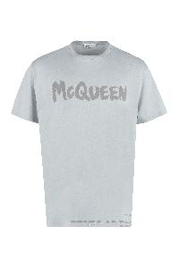 | 622104QUZ57_0912 | McQueen | T-SHIRT | Clothing | SS | M | DOVE GREY MIX | 100% CO | IT | € 350.00 | 2 |  |  |  |  |  |  |  |  | 2
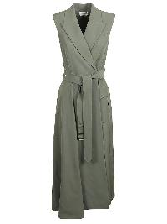 | 733284QJACF_3003 | McQueen | DRESS | Clothing | SS | W | 3003 | 77%WO 23%CO | IT | € 2490.00 | 1 |  |  |  |  |  |  |  |  |  |  |  |  |  |  |  |  |  |  |  |  |  |  |  |  |  |  |  |  | 1
 | 6564671YB40_2002 | McQueen | CROSSBODY BAG | Bags | SS | W | TAN | 100% CALF LE | IT | € 1290.00 | 25 |  |  | 25
 | 6564671YB41_9090 | McQueen | CROSSBODY BAG | Bags | SS | W | IVORY BLACK | 100% CALF LE | IT | € 1290.00 | 35 |  |  | 35
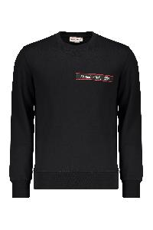 | 642663QTX75_0901 | McQueen | Black casual sweatshirt with logo | Clothing | FW | Male | nero | 100% CO | PT | € 570.00 | 40 |  |  |  |  | 2 |  |  |  |  | 16 | 22
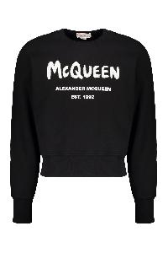 | 701285QTZ11_0901 | McQueen | Black hoodie with contrasting logo | Clothing | FW | Male | nero | 100% CO | IT | € 520.00 | 1 |  |  |  |  |  | 1
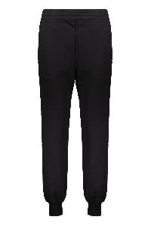 | 658545QZAD5_0520 | McQueen | Black jogger pants modern and sporty comfort | Clothing | FW | Female | nero | 100% CO | IT | € 520.00 | 137 |  |  |  |  |  |  |  |  |  |  |  |  |  |  |  |  |  |  |  |  |  |  |  |  | 14 |  |  |  | 34 |  |  |  | 21 |  |  | 25 | 23 |  | 10 | 5 | 5
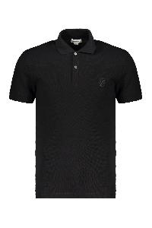 | 633843QRX33_1000 | McQueen | Black Polo in Soft Cotton | Clothing | FW | Male | nero | 100% CO | TN | € 350.00 | 41 |  |  |  |  | 1 | 8 | 2 | 17 | 13
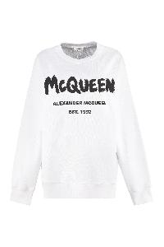 | 659975QZADI_0909 | McQueen | Cotton crew neck sweater | Clothing | FW | Female | bianco | 100% CO | IT | € 540.00 | 11 |  |  |  |  |  |  |  |  |  |  |  |  |  |  |  |  |  |  |  |  |  |  |  |  |  |  |  |  | 2 |  |  |  | 1 |  |  | 2 | 1 |  | 2 | 3
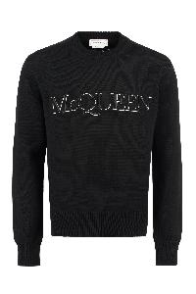 | 651184Q1XAY_1011 | McQueen | Cotton crew neck sweater | Clothing | SS | Male | nero | 100% CO | IT | € 840.00 | 18 |  |  |  |  |  |  | 6 | 11 | 1
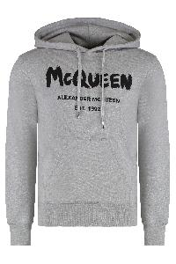 | 688715QSZ81_0902 | McQueen | Cotton hoodie | Clothing | SS | Male | grigio | 100% CO | IT | € 640.00 | 1 |  |  |  |  |  |  |  |  |  | 1
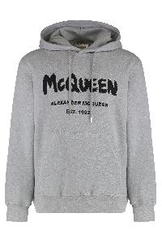 | 688715QTZ81_0902 | McQueen | Cotton hoodie | Clothing | FW | Male | grigio | 100% CO | IT | € 640.00 | 17 |  |  |  |  |  | 2 | 2 | 13
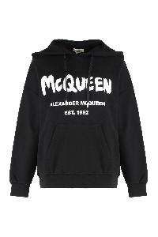 | 674882QZAD5_0520 | McQueen | Cotton hoodie | Clothing | FW | Female | nero | 100% CO | IT | € 640.00 | 65 |  |  |  |  |  |  |  |  |  |  |  |  |  |  |  |  |  |  |  |  |  |  |  |  |  |  |  |  | 20 |  |  |  | 7 |  |  | 38
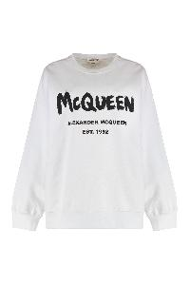 | 659975QZAD5_0909 | McQueen | Cotton sweatshirt with logo | Clothing | SS | Female | bianco | 100% CO | IT | € 540.00 | 155 |  |  |  |  |  |  |  |  |  |  |  |  |  |  |  |  |  |  |  |  |  |  |  |  | 24 |  |  |  | 40 |  |  |  | 19 |  |  | 39 | 2 |  | 4 | 14 | 13
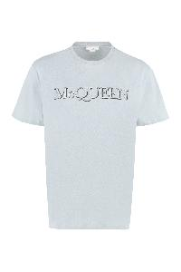 | 649876QUZ56_0912 | McQueen | Cotton t-shirt with logo | Clothing | SS | Male | azzurro | 100% CO | IT | € 380.00 | 1 |  |  |  |  |  |  |  |  |  |  | 1
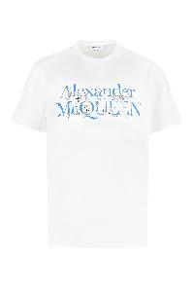 | 735279QUZ48_0900 | McQueen | Cotton t-shirt with logo | Clothing | SS | Male | bianco | 100% CO | IT | € 320.00 | 2 |  |  |  | 1 |  |  |  |  |  | 1
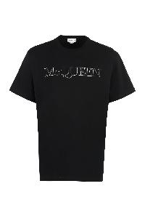 | 649876QTZ56_0901 | McQueen | Cotton T-shirt with logo | Clothing | FW | Male | nero | 100% CO | IT | € 390.00 | 4 |  |  |  |  | 4
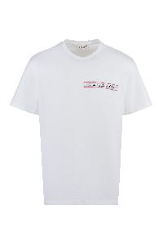 | 642662QTX74_0910 | McQueen | Crew neck cotton T-shirt | Clothing | FW | Male | bianco | 100% CO | PT | € 350.00 | 22 |  |  |  |  |  |  |  |  |  | 4 | 18
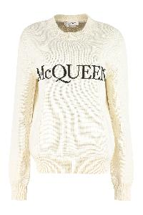 | 651184Q1XAY_9241 | McQueen | Crew neck sweater with logo | Clothing | SS | Male | panna | 100% CO | IT | € 840.00 | 3 |  |  |  |  |  |  |  | 3
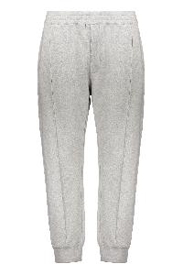 | 701282QTX43_1401 | McQueen | Gray comfortable pants with sporty cuffs | Clothing | FW | Male | grigio | 100% CO | IT | € 520.00 | 2 |  |  |  |  |  |  |  | 1 | 1
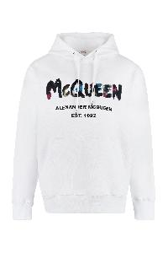 | 727687QUZ36_0900 | McQueen | Hooded sweatshirt with print | Clothing | SS | Male | bianco | 100% CO | IT | € 640.00 | 1 |  |  |  |  |  |  |  |  |  | 1
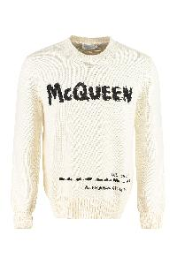 | 626454Q1WZL_9227 | McQueen | Logo intarsia crew-neck sweater | Clothing | FW | Male | panna | 100% CO | IT | € 840.00 | 62 |  |  |  | 7 | 1 | 6 | 9 | 15 | 12 | 5 | 5 | 2
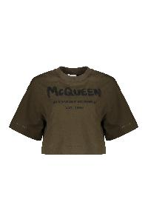 | 687014QZAE0_0303 | McQueen | Olive green cropped t-shirt with logo | Clothing | SS | Female | verde | 100% CO | IT | € 240.00 | 1 |  |  |  |  |  |  |  |  |  |  |  |  |  |  |  |  |  |  |  |  |  |  |  |  |  |  |  |  |  |  |  |  |  |  |  | 1
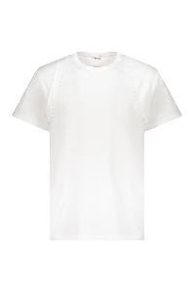 | 639972QTX04_9000 | McQueen | White cotton T-shirt | Clothing | FW | Male | bianco | 100% CO | IT | € 350.00 | 44 |  |  |  |  |  | 3 | 6 | 12 | 14 | 6 | 3
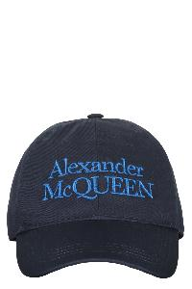 | 6886584105Q_4168 | McQueen | Adjustable blue baseball cap | Accessories | FW | Male | blu | 100% CO | IT | € 290.00 | 1 |  |  |  |  |  | 1
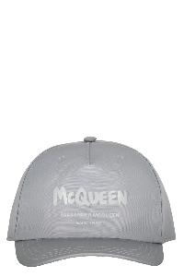 | 6677784404Q_1700 | McQueen | Baseball cap | Accessories | SS | Male | grigio | 100% PL | IT | € 340.00 | 1 |  |  |  |  |  |  |  |  | 1
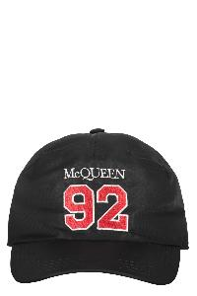 | 7272254404Q_1074 | McQueen | Baseball cap | Accessories | SS | Male | nero | 100% CO | IT | € 350.00 | 4 |  |  |  |  |  |  |  | 4
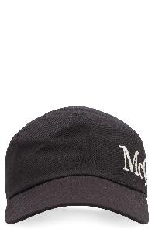 | 6328964105Q_1078 | McQueen | Baseball cap | Accessories | FW | Male | nero | 100% CO | IT | € 340.00 | 194 |  |  |  |  |  | 29 | 75 | 90
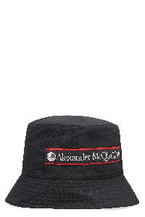 | 6677794404Q_1000 | McQueen | Fisherman's hat | Accessories | FW | Male | nero | 100% PL | IT | € 340.00 | 1 |  |  |  |  |  | 1
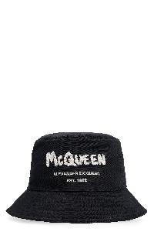 | 6631124404Q_1078 | McQueen | Logo print bucket hat | Accessories | FW | Male | nero | 100% PL | IT | € 340.00 | 254 |  |  |  |  |  |  | 97 | 157
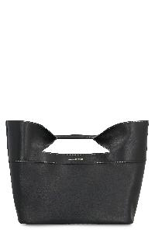 | 7095661BLCA_1000 | McQueen | Bag The Bow in leather | Bags | FW | Female | nero | 100% CALF LE | IT | € 1690.00 | 5 |  |  | 5
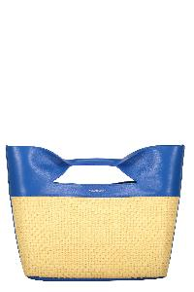 | 7095661BLB1_9590 | McQueen | Blue and yellow elegant handbag | Bags | FW | Female | blu | 75% VI 25% CO | IT | € 1190.00 | 11 |  |  | 11
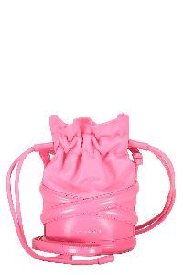 | 6968111AXAC_5907 | McQueen | Modern and versatile pink shoulder bag | Bags | SS | Female | rosa | 100% CALF LE | IT | € 1390.00 | 2 |  |  | 2
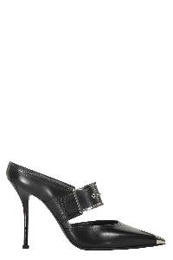 | 709992WHSWD_1081 | McQueen | Black elegant décolleté with stiletto heel | Shoes | FW | Female | nero | UPPER: 100% LAMB LE SOLE: 100% CALF LE | FR | € 850.00 | 56 |  |  |  |  |  |  |  |  |  |  |  |  |  |  |  |  |  |  |  |  |  |  |  |  |  |  | 8 |  | 14 |  | 34
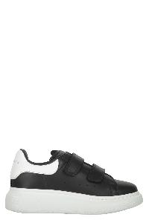 | 687070WHX11_1070 | McQueen | Elegant black and white sneakers for any occasion | Shoes | SS | UNI | nero | UPPER: 100% CALF LE SOLE: 100% EL | IT | € 290.00 | 42 |  |  |  |  |  |  |  |  |  |  |  |  | 4 | 5 | 6 | 3 | 2 | 3 | 5 | 7 | 7
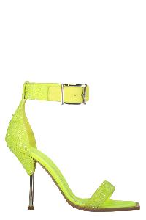 | 697142WHCEX_7140 | McQueen | Elegant heeled sandal | Shoes | SS | Female | giallo | UPPER: 100% CALF LE SOLE: 100% CALF LE | IT | € 1150.00 | 8 |  |  |  |  |  |  |  |  |  |  |  |  |  |  |  |  |  |  |  |  |  |  | 1 |  | 1 |  | 1 |  | 2 |  | 1 |  | 1 |  | 1
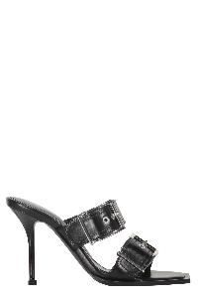 | 709990WHSWD_1081 | McQueen | Elegant mules with high heel | Shoes | FW | Female | nero | UPPER: 100% CALF LE SOLE: 100% CALF LE | IT | € 890.00 | 13 |  |  |  |  |  |  |  |  |  |  |  |  |  |  |  |  |  |  |  |  |  |  |  |  | 2 |  | 3 |  | 3 |  | 3 |  | 2
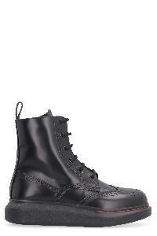 | 586402WHX51_1000 | McQueen | Lace-up leather boots | Shoes | FW | Female | nero | UPPER: 100% CALF LE SOLE: 100% EL | IT | € 590.00 | 137 | 2 |  |  |  |  |  |  |  |  |  |  |  |  |  |  |  |  |  |  |  |  | 2 | 11 | 1 | 29 | 23 | 31 | 27 | 1 | 10
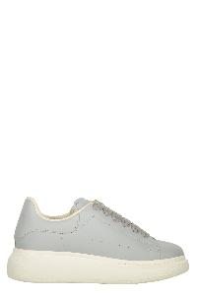 | 650862WHZZ0_1238 | McQueen | Light gray sneakers, elegant and versatile design | Shoes | SS | UNI | grigio | UPPER: 100% CALF LE SOLE: 100% EL | IT | € 270.00 | 17 |  | 5 |  |  |  |  |  |  |  |  |  |  | 3 | 3 | 1 |  |  |  |  | 1 | 4
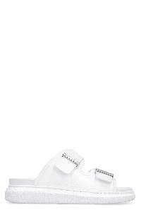 | 658063W4Q51_9359 | McQueen | Logo detail rubber slides | Shoes | SS | Female | bianco | UPPER: 100% CALF LE SOLE: 100% EL | IT | € 370.00 | 109 |  |  |  |  |  |  |  |  |  |  |  |  |  |  |  |  |  |  |  |  |  |  | 2 | 4 | 18 |  | 15 | 4 | 12 | 8 | 14 | 6 | 10 | 3 | 13
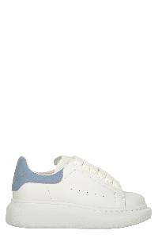 | 587691WHX12_9048 | McQueen | Modern and elegant sneakers, guaranteed comfort. | Shoes | FW | UNI | bianco | UPPER: 100% CALF LE SOLE: 100% EL | IT | € 270.00 | 14 |  |  |  |  |  |  |  |  |  |  |  |  |  |  | 2 | 2 | 2 | 2 | 2 | 2 | 2
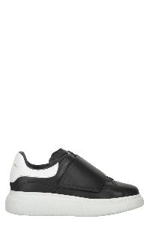 | 587693WHX11_1070 | McQueen | Modern black sneakers with a white sole | Shoes | FW | UNI | nero | UPPER: 100% CALF LE SOLE: 100% EL | IT | € 270.00 | 121 |  |  |  |  |  |  |  |  |  |  |  |  | 10 | 10 | 10 | 15 | 15 | 16 | 15 | 15 | 15
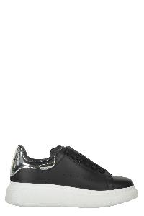 | 716666WIAHS_1081 | McQueen | Modern black sneakers with contrasting details | Shoes | SS | UNI | nero | UPPER: 100% CALF LE SOLE: 100% EL | IT | € 270.00 | 31 |  | 6 |  |  |  |  |  |  |  |  |  |  |  | 2 | 3 | 4 | 2 | 4 | 3 | 2 | 5
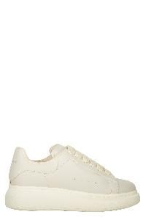 | 650862WHZZ0_9366 | McQueen | Modern minimalist sneakers, comfort and versatility. | Shoes | SS | UNI | avorio | UPPER: 100% CALF LE SOLE: 100% EL | IT | € 270.00 | 23 |  |  |  |  |  |  |  |  |  |  |  |  | 5 | 2 | 1 |  |  | 1 |  | 1 | 13
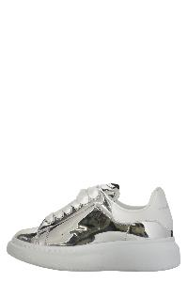 | 734608W4SI2_8113 | McQueen | Modern sneakers in lightweight fabric and leather | Shoes | SS | UNI | bianco | UPPER: 100% CALF LE SOLE: 100% EL | IT | € 270.00 | 11 |  | 1 |  |  |  |  |  |  |  |  |  |  |  |  | 2 | 2 | 1 | 1 | 1 |  | 3
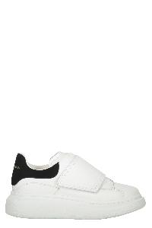 | 587693WHX12_9061 | McQueen | Modern white sneakers | Shoes | FW | UNI | bianco | UPPER: 100% CALF LE SOLE: 100% EL | IT | € 270.00 | 129 |  |  |  |  |  |  |  |  |  |  |  |  | 15 | 15 | 15 | 15 | 15 | 13 | 11 | 15 | 15
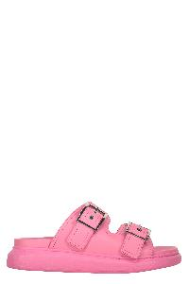 | 733083WHXZR_5482 | McQueen | Pink ciabatta with double decorative ribbon | Shoes | SS | Female | rosa | UPPER: 100% CALF LE SOLE: 100% EL | IT | € 590.00 | 2 |  |  |  |  |  |  |  |  |  |  |  |  |  |  |  |  |  |  |  |  |  |  |  |  |  |  |  |  |  |  |  |  | 1 |  | 1
 | 663564W4RF0_4085 | McQueen | Rubber slides | Shoes | SS | Male | blu | UPPER: 100% EL SOLE: 60% EL 40% CALF LE | IT | € 265.00 | 28 |  |  |  |  |  |  |  |  |  |  |  |  |  |  |  |  |  |  |  |  |  |  |  |  |  |  |  |  |  |  |  |  | 8 |  | 10 | 7 |  | 3
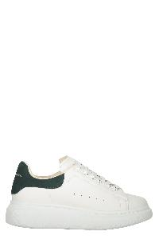 | 710105WHX12_8936 | McQueen | White minimalist sneakers | Shoes | SS | UNI | bianco | UPPER: 100% CALF LE SOLE: 100% EL | IT | € 270.00 | 3 |  | 3

